Scenario DIagram-AMS
5 Diagrams on this Sheet

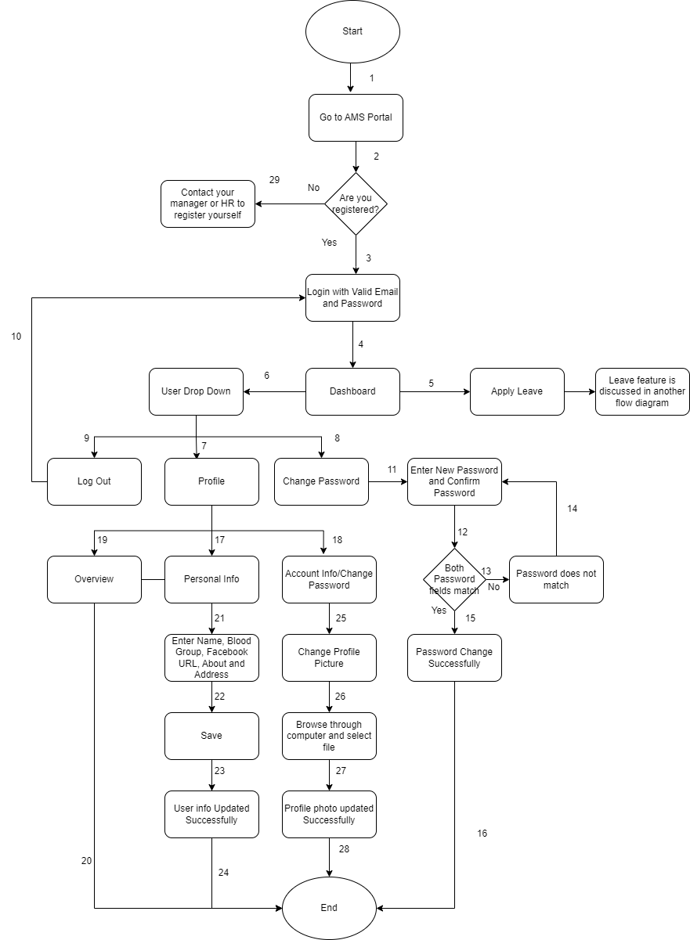

 |  |  |  |  | Diagram-1

 |  |  |  | Scenario Diagram of AMS-Dashboard-User Drop Down

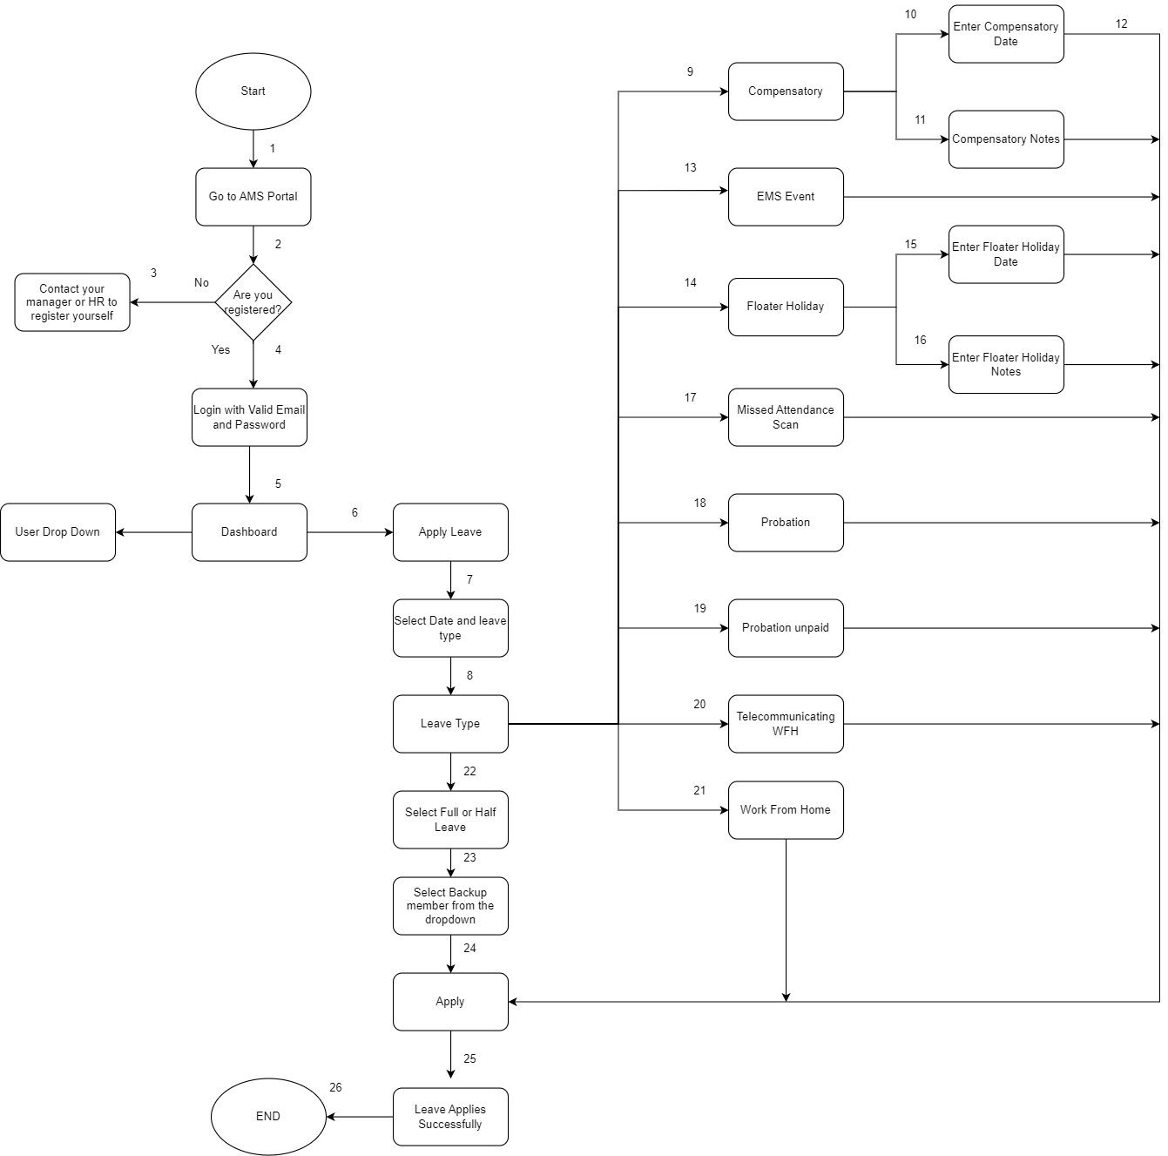

 |  |  |  |  |  | Diagram-2

 |  |  |  |  | Scenario Diagram of AMS-Dashboard-Apply Leave Feature

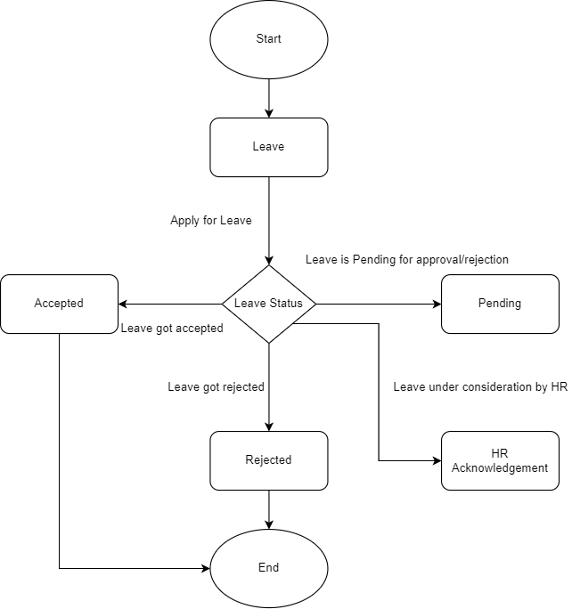

 |  |  |  | Diagram-3

 |  |  | State Transition Diagram of LEAVE feature when applied in the MY LEAVES TAB

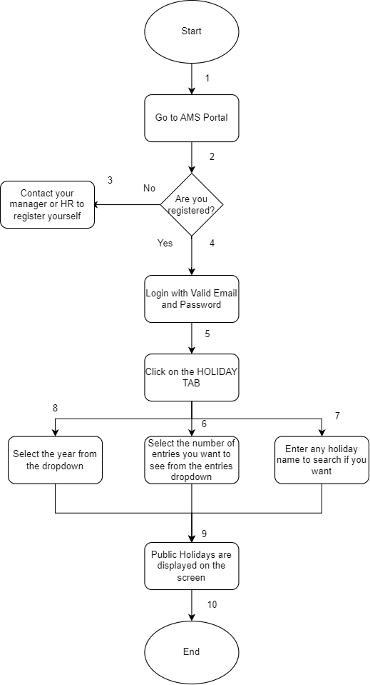

 |  | Diagram-4

 | Scenario Diagram of AMS-Holiday Tab



 |  |  |  | Diagram-5

 |  |  | Scenario Diagram of AMS-My Attendance TAB

